COS Plus
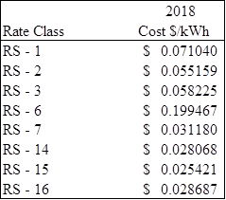
From Original Worksheets from File "EVI Rate Class components_07022018_final.xlsx"
 | Framework 1
 |  | Industrial |  | Residential
 |  | 31% | Current Adder | 31% | Current Adder

 |  | $0.0281 | Current Rate 14 Cost to Serve | $0.0607 | Current Blended (RS 1 &2) Cost to Serve
 |  | $0.0192 | Trans Call | $0.0192 | Trans Call
 |  | $0.0034 | Distribution Adder | $0.0034 | Distribution Adder
 |  | $0.0110 | Overall Put 1 | $0.0222 | Overall Put 1
 |  | $0.0191 | Subsidy Term | $0.0327 | Subsidy Term

 |  | $0.0808 | total rate per Framework 1 | $0.1382 | total rate per Framework 1

